01 Standards
Superstore Sales 2020

Month | Store | Town | Store Code | Country | Manager | Category | Sales | Tax | Total | Sales Tax | 15%
2020-01-01 | Computech | Aberdeen | ABD | UK | Jason Hervey | Mobile Phones | $5.00 | $0.75 | $5.75
2020-01-01 | Computech | Aberdeen | ABD | UK | Spencer Lee | PC's | $1,794.12 | $269.12 | $2,063.24
2020-01-01 | Computech | Aberdeen | ABD | UK | Hugo Matthews | Laptops | $3,960.11 | $594.02 | $4,554.13
2020-01-01 | MicroWorld | Aberdeen | ABD | UK | Ben Malone | Accessories | $298.32 | $44.75 | $343.07
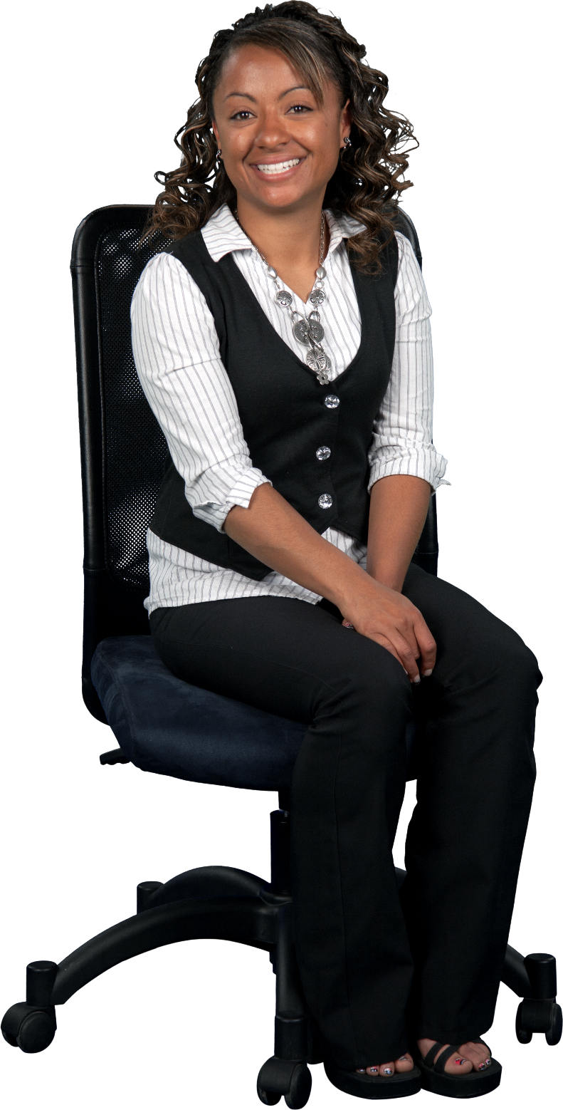
WE CAN DO THIS!
2020-01-01 | Computech | Aberdeen | ABD | UK | Spencer Lee | Printers | $183.25 | $27.49 | $210.74
2020-01-01 | Computech | Aberdeen | ABD | UK | Kirsty Young | PC's | $1,693.79 | $254.07 | $1,947.86
2020-01-01 | MicroWorld | Aberdeen | ABD | UK | Jade Wilson | Cameras | $30.00 | $4.50 | $34.50
2020-01-01 | MicroWorld | Aberdeen | ABD | UK | Craig Spinks | Mobile Phones | $12.00 | $1.80 | $13.80
2020-01-01 | Computech | Aberdeen | ABD | UK | Nick Fallows | Printers | $1,085.08 | $162.76 | $1,247.84
2020-01-01 | MicroWorld | Aberdeen | ABD | UK | Stephanie Zanoni | Cameras | $10.00 | $1.50 | $11.50
2020-01-01 | MicroWorld | Aberdeen | ABD | UK | Sam Waters | Cameras | $173.53 | $26.03 | $199.56
2020-01-01 | MicroWorld | Aberdeen | ABD | UK | Frank Archibald | Cameras | $3.00 | $0.45 | $3.45
2020-01-01 | MicroWorld | Aberdeen | ABD | UK | Craig Spinks | Cameras | $200.98 | $30.15 | $231.13
2020-01-01 | Computech | Aberdeen | ABD | UK | Margot Stoddard | Printers | $748.93 | $112.34 | $861.27
2020-01-01 | MicroWorld | Aberdeen | ABD | UK | Kirsty Young | Games | $26.78 | $4.02 | $30.80
2020-01-01 | MicroWorld | Aberdeen | ABD | UK | Jason Hervey | Games | $38.02 | $5.70 | $43.72
2020-01-01 | MicroWorld | Aberdeen | ABD | UK | Sam Waters | TV's | $332.14 | $49.82 | $381.96
2020-01-01 | MicroWorld | Aberdeen | ABD | UK | Craig Spinks | Printers | $77.96 | $11.69 | $89.65
2020-01-01 | MicroWorld | Aberdeen | ABD | UK | Rob Fisher | Laptops | $152.94 | $22.94 | $175.88
2020-01-01 | Computech | Aberdeen | ABD | UK | Rob Fisher | TV's | $681.33 | $102.20 | $783.53
2020-01-01 | Computech | Aberdeen | ABD | UK | Stephanie Zanoni | Accessories | $15.89 | $2.38 | $18.27
2020-01-01 | MicroWorld | Aberdeen | ABD | UK | Stephanie Zanoni | Accessories | $261.35 | $39.20 | $300.55

02 Sales Data
Sales Data

Month | Store | Town | Store Code | Country | Manager | Category | Sales | Tax | Total | Sales Tax | 15%
2020-01-01 | Computech | Aberdeen | ABD | UK | Jason Hervey | Mobile Phones | $5.00 | $0.75 | $5.75
2020-01-01 | Computech | Aberdeen | ABD | UK | Spencer Lee | PC's | $1,794.12 | $269.12 | $2,063.24
2020-01-01 | Computech | Aberdeen | ABD | UK | Hugo Matthews | Laptops | $1,000.00 | $150.00 | $1,150.00
2020-01-01 | MicroWorld | Aberdeen | ABD | UK | Ben Malone | Accessories | $298.32 | $44.75 | $343.07 | please click here to see analysis
2020-01-01 | Computech | Aberdeen | ABD | UK | Spencer Lee | Printers | $183.25 | $27.49 | $210.74
2020-01-01 | Computech | Aberdeen | ABD | UK | Kirsty Young | PC's | $1,693.79 | $254.07 | $1,947.86
Please click here to go to Analysis sheet
2020-01-01 | MicroWorld | Aberdeen | ABD | UK | Jade Wilson | Cameras | $30.00 | $4.50 | $34.50
2020-01-01 | MicroWorld | Aberdeen | ABD | UK | Craig Spinks | Mobile Phones | $12.00 | $1.80 | $13.80
2020-01-01 | Computech | Aberdeen | ABD | UK | Nick Fallows | Printers | $1,085.08 | $162.76 | $1,247.84
2020-01-01 | MicroWorld | Aberdeen | ABD | UK | Stephanie Zanoni | Cameras | $10.00 | $1.50 | $11.50
2020-01-01 | MicroWorld | Aberdeen | ABD | UK | Sam Waters | Cameras | $173.53 | $26.03 | $199.56
2020-01-01 | MicroWorld | Aberdeen | ABD | UK | Frank Archibald | Cameras | $3.00 | $0.45 | $3.45
2020-01-01 | MicroWorld | Aberdeen | ABD | UK | Craig Spinks | Cameras | $200.98 | $30.15 | $231.13
2020-01-01 | Computech | Aberdeen | ABD | UK | Margot Stoddard | Printers | $748.93 | $112.34 | $861.27
2020-01-01 | MicroWorld | Aberdeen | ABD | UK | Kirsty Young | Games | $26.78 | $4.02 | $30.80
2020-01-01 | MicroWorld | Aberdeen | ABD | UK | Jason Hervey | Games | $38.02 | $5.70 | $43.72
2020-01-01 | MicroWorld | Aberdeen | ABD | UK | Sam Waters | TV's | $332.14 | $49.82 | $381.96
2020-01-01 | MicroWorld | Aberdeen | ABD | UK | Craig Spinks | Printers | $77.96 | $11.69 | $89.65
2020-01-01 | MicroWorld | Aberdeen | ABD | UK | Rob Fisher | Laptops | $152.94 | $22.94 | $175.88
2020-01-01 | Computech | Aberdeen | ABD | UK | Rob Fisher | TV's | $681.33 | $102.20 | $783.53
2020-01-01 | Computech | Aberdeen | ABD | UK | Stephanie Zanoni | Accessories | $15.89 | $2.38 | $18.27
2020-01-01 | MicroWorld | Aberdeen | ABD | UK | Stephanie Zanoni | Accessories | $261.35 | $39.20 | $300.55

04 Analysis
Analysis

Sales by Manager (2020)
Category | Sales Total
Ben Malone | $298.32
Craig Spinks | $290.94
Frank Archibald | $3.00
Hugo Matthews | $1,000.00
Jade Wilson | $30.00
Jason Hervey | $43.02
Kirsty Young | $1,720.57
Margot Stoddard | $748.93
Nick Fallows | $1,085.08
Rob Fisher | $834.27
Sam Waters | $505.67
Spencer Lee | $1,977.37
Stephanie Zanoni | $287.24
Grand Total | $8,824.41

